Contents
 | 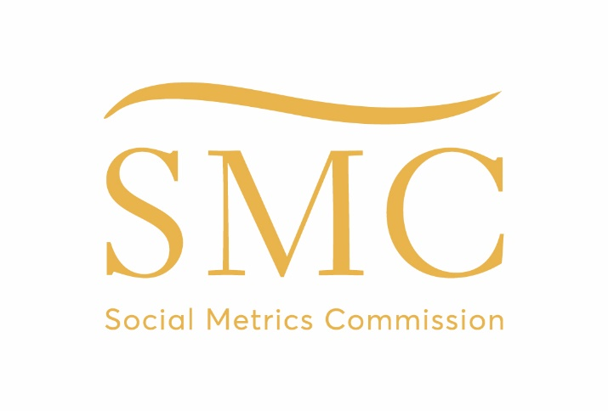
MEASURING POVERTY 2023
Results tables: 2023 release

Published: December 2023
Next Publication: September 2024, subject to HBAI release
Coverage: United Kingdom
Frequency: Annual

Contents

Click on table headings or tabs to access results tables.
Click "Back to contents" at the top of each page to return to this page.

Full results:

1.1 | Estimated number and percentage of people in poverty by age
1.2 | Estimated number and percentage of people in poverty by family type
1.3 | Estimated number and percentage of people in poverty by whether the family includes a disabled adult or child
1.4 | Estimated number and percentage of people in poverty by family work status
1.5 | Estimated number and percentage of people in poverty by housing tenure
1.6 | Estimated number and percentage of people in poverty by ethnic group of household head
1.7 | Estimated number and percentage of people in poverty by country and age
1.8 | Estimated number and percentage of people in poverty by region

Understanding the nature of poverty:

2.1 | Estimated number and percentage of people at different distances below the poverty line
2.2 | Estimated number and percentage of people at different distances above the poverty line
2.3 | Estimated percentage of people in persistent poverty by age and a range of family characteristics
2.4 | Lived Experience Indicators by poverty status
2.5 | Survey years for Lived Experience Indicators

Detailed factsheets on poverty by age, age group, gender and disability status of individuals:

3.1 | Estimated number and percentage of working-age adults in poverty by various family characteristics
3.2 | Estimated number and percentage of children in poverty by various family characteristics
3.3 | Estimated number and percentage of pension-age adults in poverty by various family characteristics
3.4 | Estimated number and percentage of people in poverty by age group
3.5 | Estimated number and percentage of people in poverty by gender and adulthood
3.6 | Estimated number and percentage of people in poverty by whether the individual has a disability

Contacts

Secretariat: Matthew Oakley
Email: | matthew@wpieconomics.com
Twitter: | @SocMetricsComm

Further Information

Social Metrics Commission website, with links to latest reports:
Website: | socialmetricscommission.org.uk

